Data Entry
Data Entry, Simple Calculations & Hidden Feature
Learn how to input, edit and format data
Our aim is to get the data looking like this
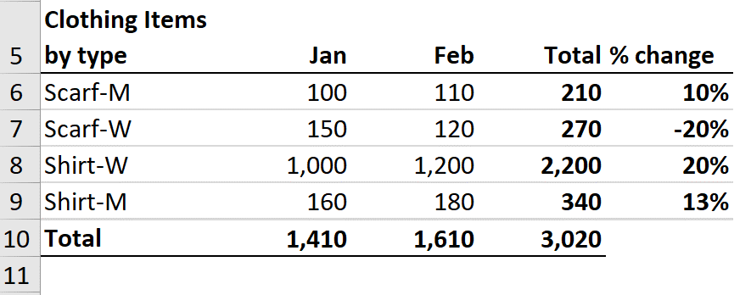

Dates
Inputting Dates & Time Stamps

Input Date

Become Pro - Select the cell and press Ctrl + # to convert the date to DD-MMM-YY format (this makes it easier to read).
Time Stamp (Date)

Time Stamp (Date & Time)
To insert a time stamp for date and time: Press Ctrl + ; then space and then Ctrl + Shift + ;
If Ctrl + Shift + ; doesn't work for you, try Ctrl + shift + :

For inputting year:
0 to 29 = this century
30-99 = last century
To type a date before 1/1/1930, you need to type the 4-digit year.

AutoFill
AutoFill to Save Time

TRY THIS - Click on cell A4 and pull down the fill handle until cell A16.
Repeat for Cells B4 to E4. What do you notice?
Text | Number | Months | Weekday | Date
Scarf | 1 | Jan | Monday | 2019-07-20

FlashFill
Flash Fill - Speedup Data Entry
Use Flashfill instead of manual entry

TRY THIS - Input the first line, mark the cell and press Control + E (or pull down the fill handle and from the selection box at the bottom, select flash fill)
Name | First Name | Last Name | Name | Email | Name | Proper Case | Name | Initials
Gary Miller |  |  | Gary Miller |  | gary miller |  | Gary Miller
James Willard |  |  | James Willard |  | James willard |  | James Willard
Richard Elliot |  |  | Richard Elliot |  | Richard elliot |  | Richard Elliot
Robert Spear |  |  | Robert Spear |  | Robert Spear |  | Robert Junior Spear
Roger Mun |  |  | Roger Mun |  | Roger Mun |  | Roger Mun
Paul Garza |  |  | Paul Garza |  | paul Garza |  | Paul Garza
Robert Marquez |  |  | Robert Marquez |  | Robert marquez |  | Robert Marquez
Natalie Porter |  |  | Natalie Porter |  | natalie porter |  | Natalie Porter
Kim West |  |  | Kim West |  | Kim west |  | Kim Sophie West

First Name | Last Name | Name | Product | Woman / Man | Date | Year
Gary | Miller |  | Watch-W |  | 2019-02-23
James | Willard |  | Scarf-M |  | 2019-04-12
Richard | Elliot |  | Shirt-M |  | 2019-08-23
Robert | Spear |  | Shirt-M |  | 2020-05-06
Roger | Mun |  | Scarf-W |  | 2020-03-04
Paul | Garza |  | Watch-M |  | 2019-03-24
Robert | Marquez |  | Scarf-W |  | 2021-02-08
Natalie | Porter |  | Shirt-W |  | 2020-07-21
Sometimes for flash fill to recognize a pattern, you need to give it more info by inputting data for more than 1 cell.
Kim | West |  | Scarf-W |  | 2020-10-28

Custom List
Custom Lists with Autofill

TRY THIS - Add the region list to a custom list:
Go to File / Options / Advanced / Edit Custom Lists. Click in the Import box and reference the cells under Region.
Open a new workbook (press Control + N). Input North America in the first cell and pull down the fill handle. What do you notice?
Region
North America
South America
Asia
Europe
Australia

Good to Know: Custom lists are stored in your computer registry.

Comments
Inputting & Editing Comments & Notes

Good to Know: Excel Notes in Office 365 are called Excel Comments in stand-alone versions of Excel.
Excel Notes
Region | Sales
North America | 2500
South America | 2300
Asia | 6200
Europe | 9600
Australia | 1800

Excel Comments - If you have Excel for Office 365 you can follow along with the video tutorial

Region | Sales
North America | 2500
South America | 2300
Asia | 6200
Europe | 9600
Australia | 1800

FormulaCells
Recognizing Formula & Input Cells

App by Segment / Revenue $

To quickly highlight formula cells, go to Home, Find & Select, Formulas.
Games segment |  | 2016 |  | 2017 |  | 2018 |  | 2019
 | Pes | 41,722 |  | 46,358 |  | 45,316 |  | 46,222
 | Baden | 37,023 |  | 35,260 |  | 35,980 |  | 34,901
 | Twistrr | 26,626 |  | 28,027 |  | 27,211 |  | 27,483
 | Games Other | 96,101 |  | 104,458 |  | 102,109 |  | 103,641
 | Total | 201,473 | 0 | 214,104 | 0 | 210,616 | 0 | 212,247

Shortcut for Go-to Special is Control + G - then click on "Special" or Alt + S
Productivity segment
 | Blend | 18,206 |  | 16,551 |  | 17,990 |  | 18,170
 | Pet Feed | 18,255 |  | 18,074 |  | 16,735 |  | 16,735
 | Mirrrr | 15,008 |  | 15,314 |  | 15,627 |  | 14,689
 | Productivity Other | 115,682 |  | 113,414 |  | 112,291 |  | 110,045
 | Total | 167,151 | 0 | 163,353 | 0 | 162,643 | 0 | 159,639

TRY THIS - Highlight D6 to J17. Go to Home, Find & Select, Constants. What do you notice?

DataValidation
Basic Data Validation

Please input the following information for your team

TRY THIS - Apply data validation to this section.
Name | Employee ID | Segment | Start Date
Kim West | 250 | Utility | 2015-10-18
Stevie Bridge | 365 | Game | 18/8/2018
Roger Mun | 985 | Productvity | 2018-08-16
Paul Hill | 158 | Games | 2017-12-03

Version with Data Validation

Data validation ensures users don't make mistakes when filling out templates or inputting data.
Name | Employee ID | Segment | Start Date
Kim West | 250 | Productivity | 2015-10-18
Stevie Bridge | 365 | Game | 2018-08-08
Roger Mun | 985 | Productivity | 2018-08-16
Paul Hill | 158 | Game | 2017-12-03

